Sheet1
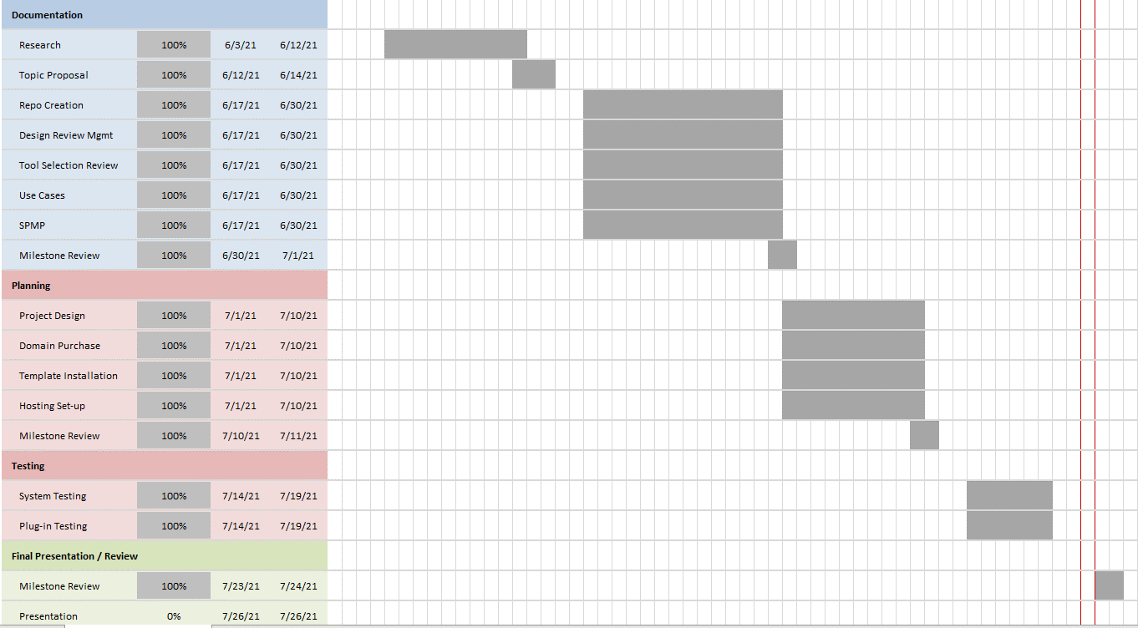
Milestone within SPMP | Projected Completetion Date | Actual Completetion Date
Research | 2021-06-12 | 2021-06-03
Topic Proposal | 2021-06-14 | 2021-06-03
Repo Creation | 2021-06-30 | 2021-06-14
Use Cases | 2021-06-30 | 2021-06-15
Design Review Management | 2021-06-30 | 2021-06-18
Tool Selection Review | 2021-06-30 | 2021-06-18
SPMP | 2021-06-30 | 2021-06-18
Milestone Review | 2021-07-01 | 2021-06-19

Project Design | 2021-07-10 | 2021-07-13
Domain Purchase | 2021-07-10 | 2021-07-07
Template Installation | 2021-07-10 | 2021-07-16
Hosting Set-up | 2021-07-10 | 2021-07-07
Milestone Review | 2021-07-11 | 2021-07-13

System Testing | 2021-07-19 | 2021-07-20
Plug-in Testing | 2021-07-19 | 2021-07-20

Milestone Review | 2021-07-24 | 2021-07-22

